Table 1 (2)
 |  |  | FURNITURE AND TV SCREEN ORDER

 |  |  |  |  | Date:

COMPANY / SPONSOR:
STAND BOOTH NUMBER

ADDITIONAL FURNITURE INCLUDING (Rental, Installa@on, and Removal) | Picture | Quan@ty unit | Cost per unit in USD excl. 13% sales tax |  | 13% Taxes | Total in USD excl. 13% sales tax | Total in ORDER USD excl. 13% sales tax
White chair |  | 0 | US$ | $45.00 | $5.85 | $50.85 | US$ | 0
White chair |  | 0 | US$ | $45.00 | $5.85 | $50.85 | US$ | 0
Black chair |  | 0 | US$ | $45.00 | $5.85 | $50.85 | US$ | 0
Green chair |  | 0 | US$ | $45.00 | $5.85 | $50.85 | US$ | 0
White tall chair |  | 0 | US$ | $50.00 | $6.50 | $56.50 | US$ | 0
Black tall chair |  | 0 | US$ | $50.00 | $6.50 | $56.50 | US$ | 0
Black tall chair 2 |  | 0 | US$ | $50.00 | $6.50 | $56.50 | US$ | 0
Black tall chair |  | 0 | US$ | $50.00 | $6.50 | $56.50 | US$ | 0
Black chair |  | 0 | US$ | $50.00 | $6.50 | $56.50 | US$ | 0
White chair |  | 0 | US$ | $50.00 | $6.50 | $56.50 | US$ | 0
Box chair |  | 0 | US$ | $55.00 | $7.15 | $62.15 | US$ | 0
Box chair |  | 0 | US$ | $55.00 | $7.15 | $62.15 | US$ | 0
Box chair |  | 0 | US$ | $55.00 | $7.15 | $62.15 | US$ | 0
Short table |  | 0 | US$ | $70.00 | $9.10 | $79.10 | US$ | 0
Cocktail table (glass) |  | 0 | US$ | $65.00 | $8.45 | $73.45 | US$ | 0
Cocktail table |  | 0 | US$ | $65.00 | $8.45 | $73.45 | US$ | 0
Short table |  | 0 | US$ | $90.00 | $11.70 | $101.70 | US$ | 0
Short table |  | 0 | US$ | $50.00 | $6.50 | $56.50 | US$ | 0
Desk |  | 0 | US$ | $110.00 | $14.30 | $124.30 | US$ | 0
Show case |  | 0 | US$ | $350.00 | $45.50 | $395.50 | US$ | 0
Show case |  | 0 | US$ | $200.00 | $26.00 | $226.00 | US$ | 0
See through fridge 1 |  | 0 | US$ | $280.00 | $36.40 | $316.40 | US$ | 0
Long ﬂower pot |  | 0 | US$ | $50.00 | $6.50 | $56.50 | US$ | 0
Wooden ﬂoor | Per m2 Example: 9m2: $315 | 0 | US$ | $35.00 | $4.55 | $39.55 | US$ | 0
PlasPc ﬂoor | Per m2 Example: 9m2: $315 | 0 | US$ | $35.00 | $4.55 | $39.55 | US$ | 0
White ﬂat ﬂoor | Per m2 Example: 9m2: $540 | 0 | US$ | $60.00 | $7.80 | $67.80 | US$ | 0
Rug | Per m2 Example: 9m2: $700 | 0 | US$ | $77.78 | $10.11 | $87.89 | US$ | 0
Laminated floor | Per m2 Example: 9m2: $950 | 0 | US$ | $105.56 | $13.72 | $119.28 | US$ | 0
Laminated floor | Per m2 Example: 9m2: $950 | 0 | US$ | $105.56 | $13.72 | $119.28 | US$ | 0
TV | 49¨screen | 0 | US$ | $250.00 | $32.50 | $282.50 | US$ | 0
TV | 55¨screen | 0 | US$ | $350.00 | $45.50 | $395.50 | US$ | 0
TV Base |  | 0 | US$ | $60.00 | $7.80 | $67.80 | US$ | 0
Additional Electricity Its 3x3 meter space has 10 amps at 110 volts. (for every 3x3m 10amperes in 110 volts) EXAMPLE: If you contracted 2 3x3 spaces, you have 20amp at 110v Do you need more electricity? | 110 volts + 50 amps | 0 | US$ | $350.00 | $45.50 | $395.50 | US$ | 0
Additional Electricity Its 3x3 meter space DOES NOT have 220 or 240 volts. Do you need more electricity this type of connection for your equipment? | 220 or 240 volts + 50 amps | 0 | US$ | $500.00 | $65.00 | $565.00 | US$ | 0
Artificial foliage Request per square meter m2 Each m2: $50 more Tax |  | 0 | US$ | $50.00 | $6.50 | $56.50 |  | 0
Artifical foliage with artificial flowers. Request per square meter m2 Each m2: $65 more Tax |  | 0 | US$ | $65.00 | $8.45 | $73.45 |  | 0
Decoration with artificial plants |  | 0 | US$ | $50.00 | $6.50 | $56.50 |  | 0
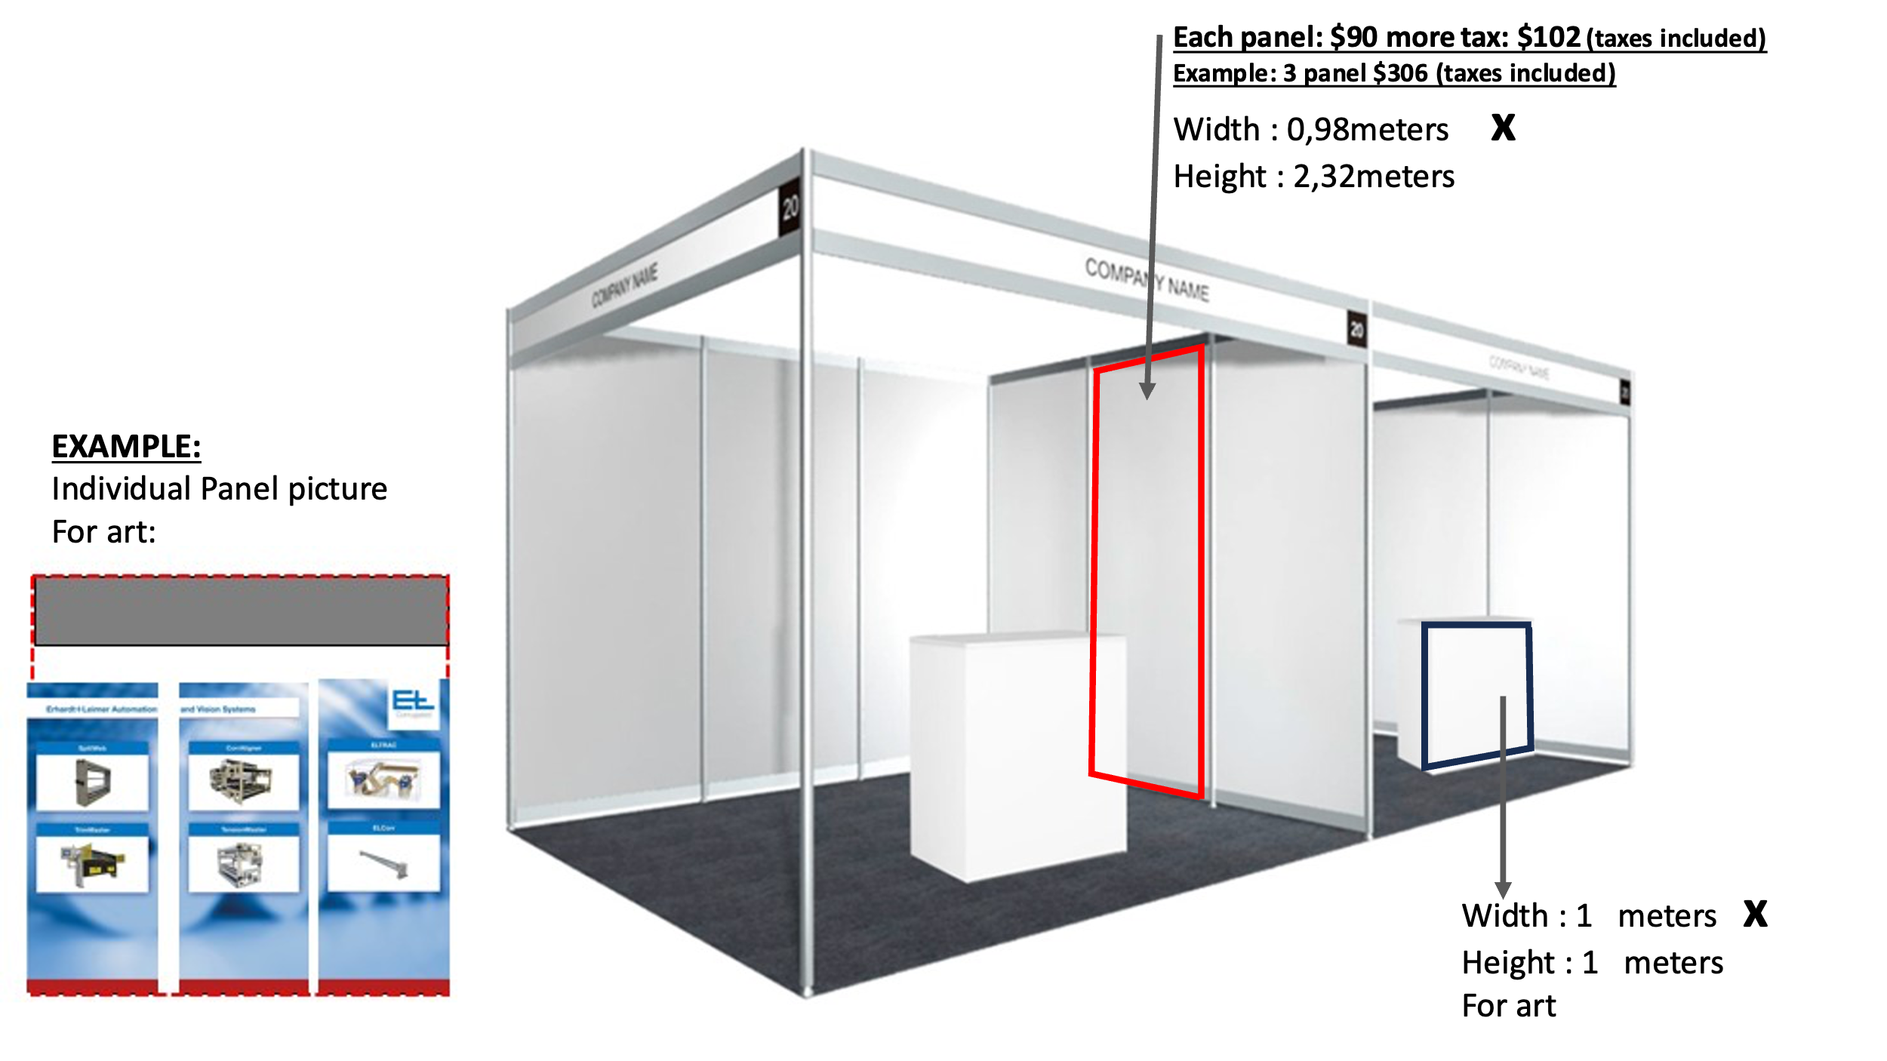
Decoration with natural plants (subject to quote with seasonal plants) |  | 0 | US$ | $120.00 | $15.60 | $135.60 |  | 0
Decoration with natural plants (subject to quote with seasonal plants) |  | 0 | US$ | $120.00 | $15.60 | $135.60 |  | 0
Print Each Panel Per Panel $101,70 |  | 0 | US$ | $90.00 | $11.70 | $101.70 |  | 0
Total whit taxes |  |  |  |  |  |  | US$ | 0
Send your request to email: costarica.imrp@gmail.com
No orders may be accepted without being accompanied by payment or proof of payment.

Date of order: |  |  | Name:

Email: |  |  | Signature:

